Sheet1 (3)
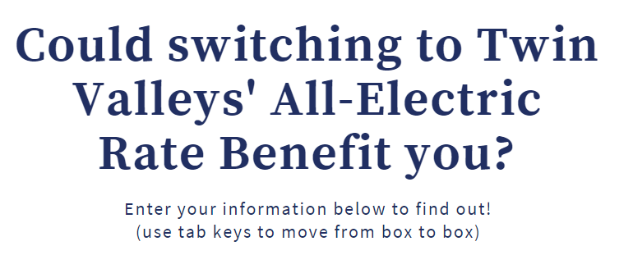
 | Single or Three Phase Residential Service? |  |  |  | Three Phase

 | Enter you kWh usage for the months shown below. Use the reading date on your billing statement to determine the actual month usage.

 |  |  | Regular Rate | All-Electric Rate |  | Savings
 | 258 | January | $65.96 | $65.96 |  | $0.00 | 258 | -1092 | 0

 | 2769 | February | $289.44 | $258.22 |  | $31.22 | 1350 | 1419 | 1419

 | 1403 | March | $167.87 | $166.70 |  | $1.17 | 1350 | 53 | 53

 | 1213 | April | $150.96 | $150.96 |  | $0.00 | 1213 | -137 | 0

 | 968 | May | $129.15 | $129.15 |  | $0.00 | 968 | -382 | 0

 | 1419 | June | $187.74 | $187.74 |  | $0.00 | 1350 | 69 | 69

 | 1378 | July | $183.56 | $183.56 |  | $0.00 | 1350 | 28 | 28

 | 1256 | August | $171.11 | $171.11 |  | $0.00 | 1256 | -94 | 0

 | 900 | September | $134.80 | $134.80 |  | $0.00 | 900 | -450 | 0

 | 1162 | October | $146.42 | $146.42 |  | $0.00 | 1162 | -188 | 0

 | 1328 | November | $161.19 | $161.19 |  | $0.00 | 1328 | -22 | 0

 | 1947 | December | $216.28 | $203.15 |  | $13.13 | 1350 | 597 | 597

Estimated yearly bill on Twin Valleys' Regular Rate |  |  |  |  |  | $2,004.48

Estimated yearly bill on Twin Valleys' All-Electric Rate |  |  |  |  |  | $1,958.96

 | Yearly savings |  |  |  |  | $45.52

*The results are estimates and do not take into account any lease payment, in lieu of tax, or sales tax that may be applicable to an account.

